Inquiry
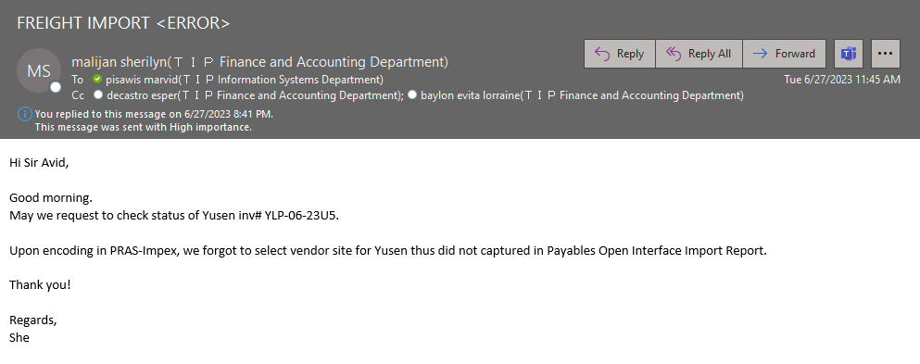

Actual Operation
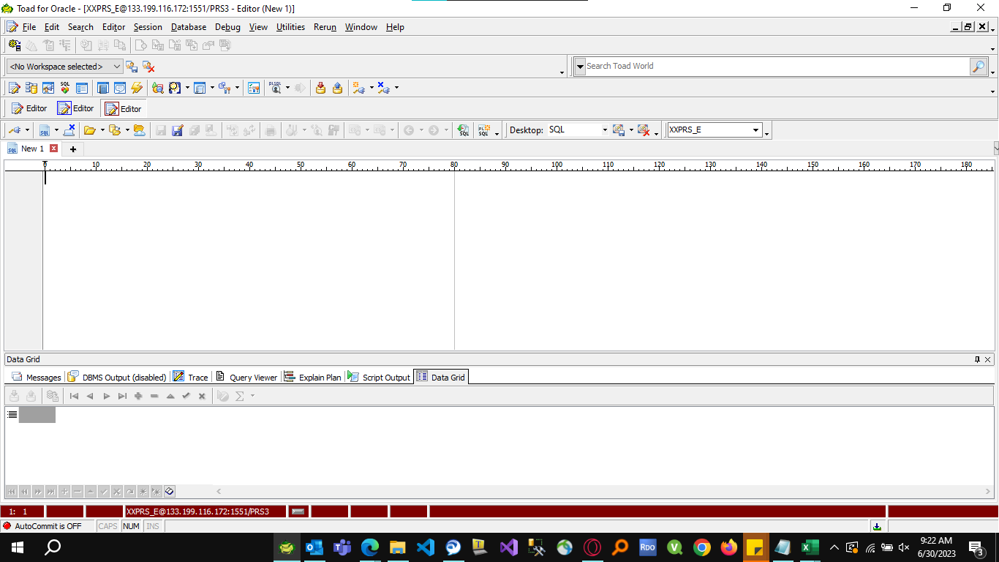
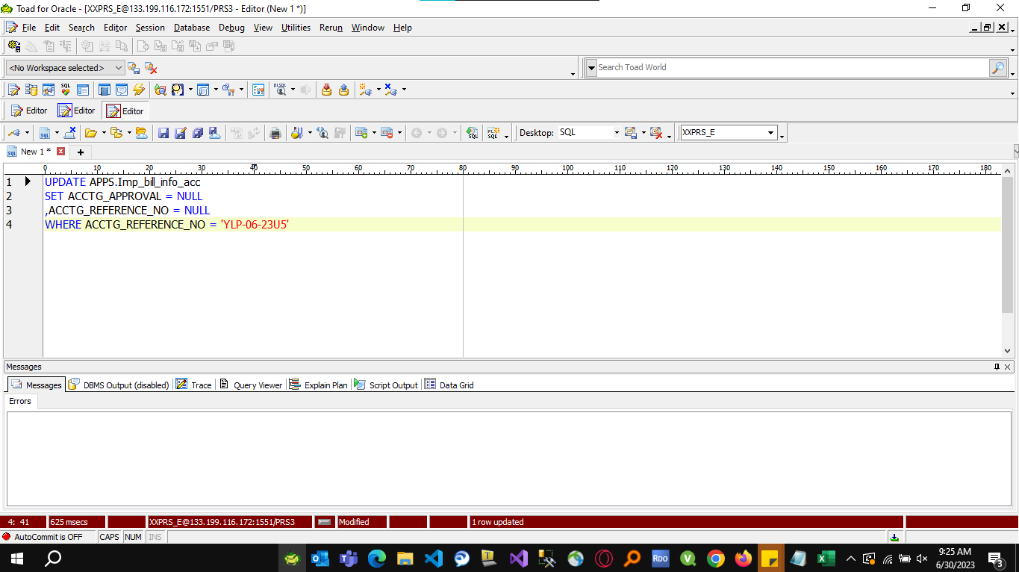

 | USING THE TABLE AP_INVOICES_INTERFACE, I CHECKED THE INVOICE NUMBER TO CONFIRM IF ITS EXIST IN THE AP INTERFACE.

 |  | Table : AP_INVOICES_INTERFACE

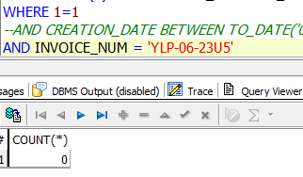

 | Since the invoice number doesn't exist in the AP interface, I checked the table APPS.IMP_BILL_INFO_ACC and found
 | that the invoice number has already been approved but is currently stuck and not interfaced to the AP interface.

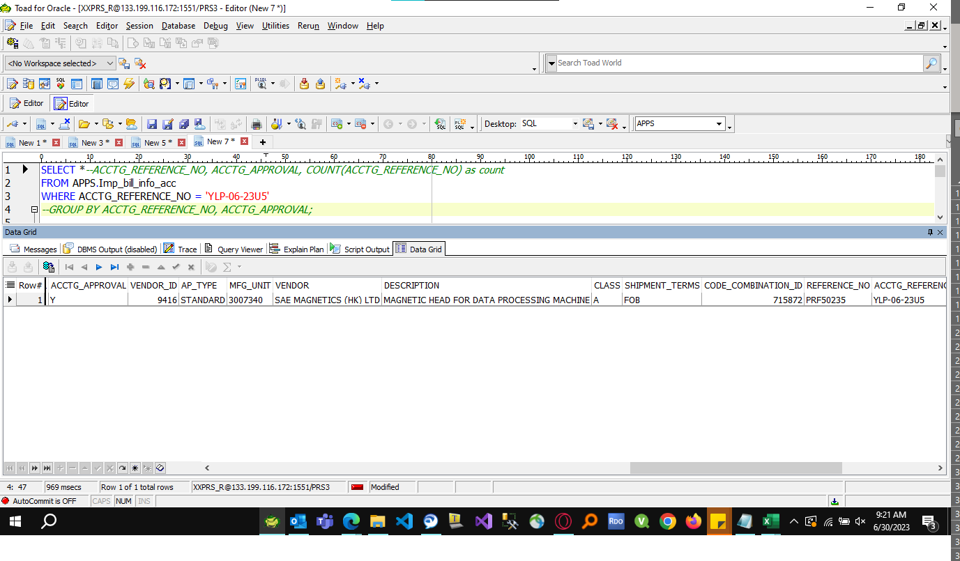

TO RESOLVE THIS ISSUE, I ROLLBACK THE INVOICE NUMBER SO THAT THE USER CAN REPROCCESS THE INVOICE

